Contemporary
2021-2022 Contemporary Boatbuilding
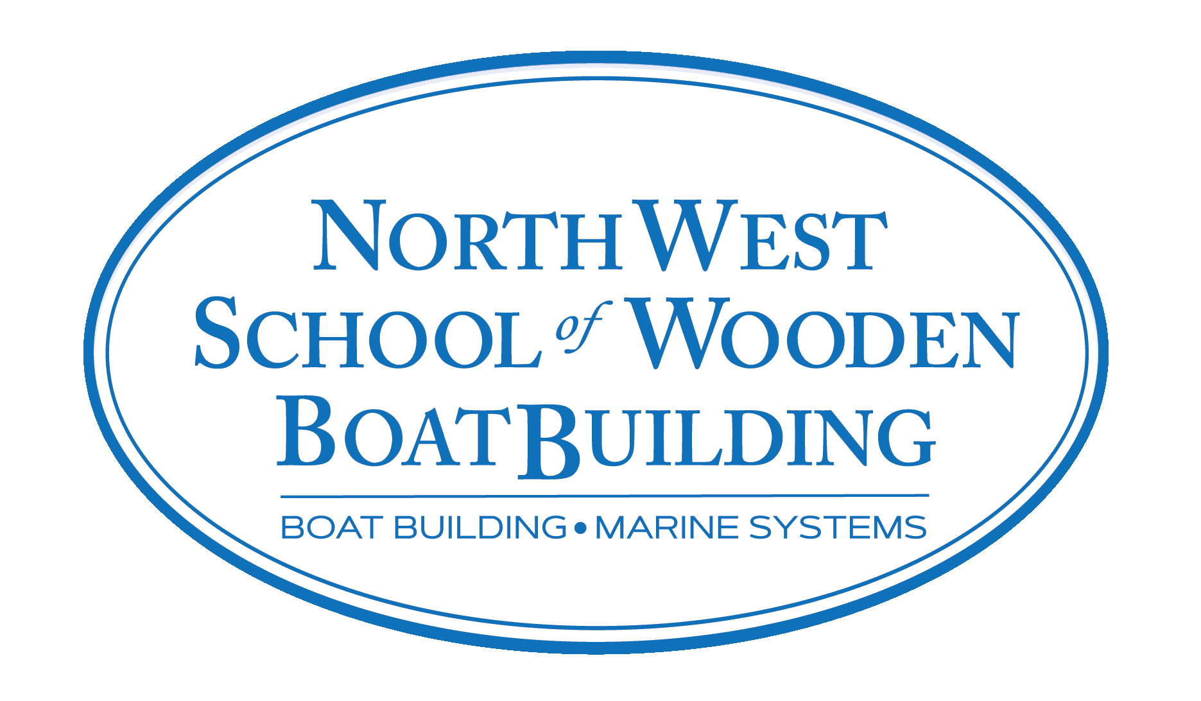 |  | NAME: EMAIL: PHONE: CC#: | ______________________________________________ ______________________________________________ ______________________________________________ ______________________________________________ EXP.________________________CVV.______________
The Northwest School of Wooden Boat Building requires the following tools for each student for this course. Edensaw Woods has partnered with NWSWB to provide these tools at special student pricing. Once filled out, please submit this form to Andy Wasserstrom at Edensaw Woods. Upon receipt of this completed form, your tools will be set aside for the school's Pre-Order Pick-Up Day. (September 29th, 1-4pm) Due to the ongoing pandemic, supply chains are interrupted. Due to mass shortages, we recommend you buy your tools early, & consider alternate tools. Price & availability are subject to change. For questions about this, contact Edensaw. Direct all other tool questions to NWSWB Chief Instructor, Sean Koomen, sean@nwswb.edu.
Qty | Part # | Size | Description | Unit Price | Line Total
 | 3MT8210PLUSBOX | one size | Box 3M 8210 Dust Masks, 20 pack | $30.00 | $0.00
 | GLOVE66516 GLOVE66517 GLOVE66518 GLOVE66519 | choose: S/M/L/XL | Disposable Black Nitrile Latex-free Gloves, 100 ct. | $29.00 | $0.00
 | S33532S99 | 7" | Paint Roller Frame | $4.50 | $0.00
 | STANLEY28540 | 1-1/4" | Stanley Wood Handle Putty Knife | $6.50 | $0.00
 | 3M05442 | 2-3/4" x 5" | Stikit Sanding Pad- Soft Hand Block | $20.00 | $0.00
 | 3M05441 | 2-3/4" x 7" | Stikit Sanding Pad- Hard Hand Block | $24.00 | $0.00
 | S33540S99 |  | System Three Small Yellow Plastic Squeegee | $1.00 | $0.00
 | JW14L11 | 2" | Sandvik 2" Scraper | $29.00 | $0.00
 | JW142555 |  | Sandvik Triangular Scraper | $21.00 | $0.00
 | PF16-5501 | Long Board | Hutchins Speed File for wet/dry sanding | $39.00 | $0.00
 |  |  | OPTIONAL
 | JW153777 | 11" | Japanese Razor File #SR20 - Shinto Rasp | $32.50 | $0.00
 | MAKIKP0800K | 3-1/4" | Makita Power Planer | $175.00 | $0.00
 | DOWL-IT#1000 |  | Dowl-It Self-Centering Doweling Jig | $60.00 | $0.00
 | BOSCHPR20EVS | 1HP | Bosch Palm Grip Trim Router | $115.00 | $0.00
 | F34 | 3/4" | Henry Taylor Long Paring Chisel | $50.00 | $0.00
 | STANLEY12140 | Limited Stock | Stanley Sweetheart #92 Shoulder Plane | $85.00 | $0.00
Please submit form to andy@edensaw.com. If you have any questions, please call Andy at 360-344-0213 (Tue-Sat) or send an email. All deliveries to the school must be pre-paid. Thank you! These tools constitute your basic needs for the Traditional Wooden Boatbuilding program at NWSWB. Due to shortages and supply issues, it is recommended you buy your tools as soon as feasible. Edensaw will place pre-paid orders aside for students who are distant or otherwise unable to purchase tools locally and in a timely manner. In lieu of that, some substitutions may need to be made. If you are unsure that a specific substitution will fulfill the role of the original, refer to teaching staff at NWSWB. Edensaw has made great efforts to secure tools for this year’s students, though shortages are still likely to occur. |  |  |  | Subtotal | $0.00
 |  |  |  | Sales Tax 9.1% | $0.000
 |  |  |  | Total | $0.00

