Classic
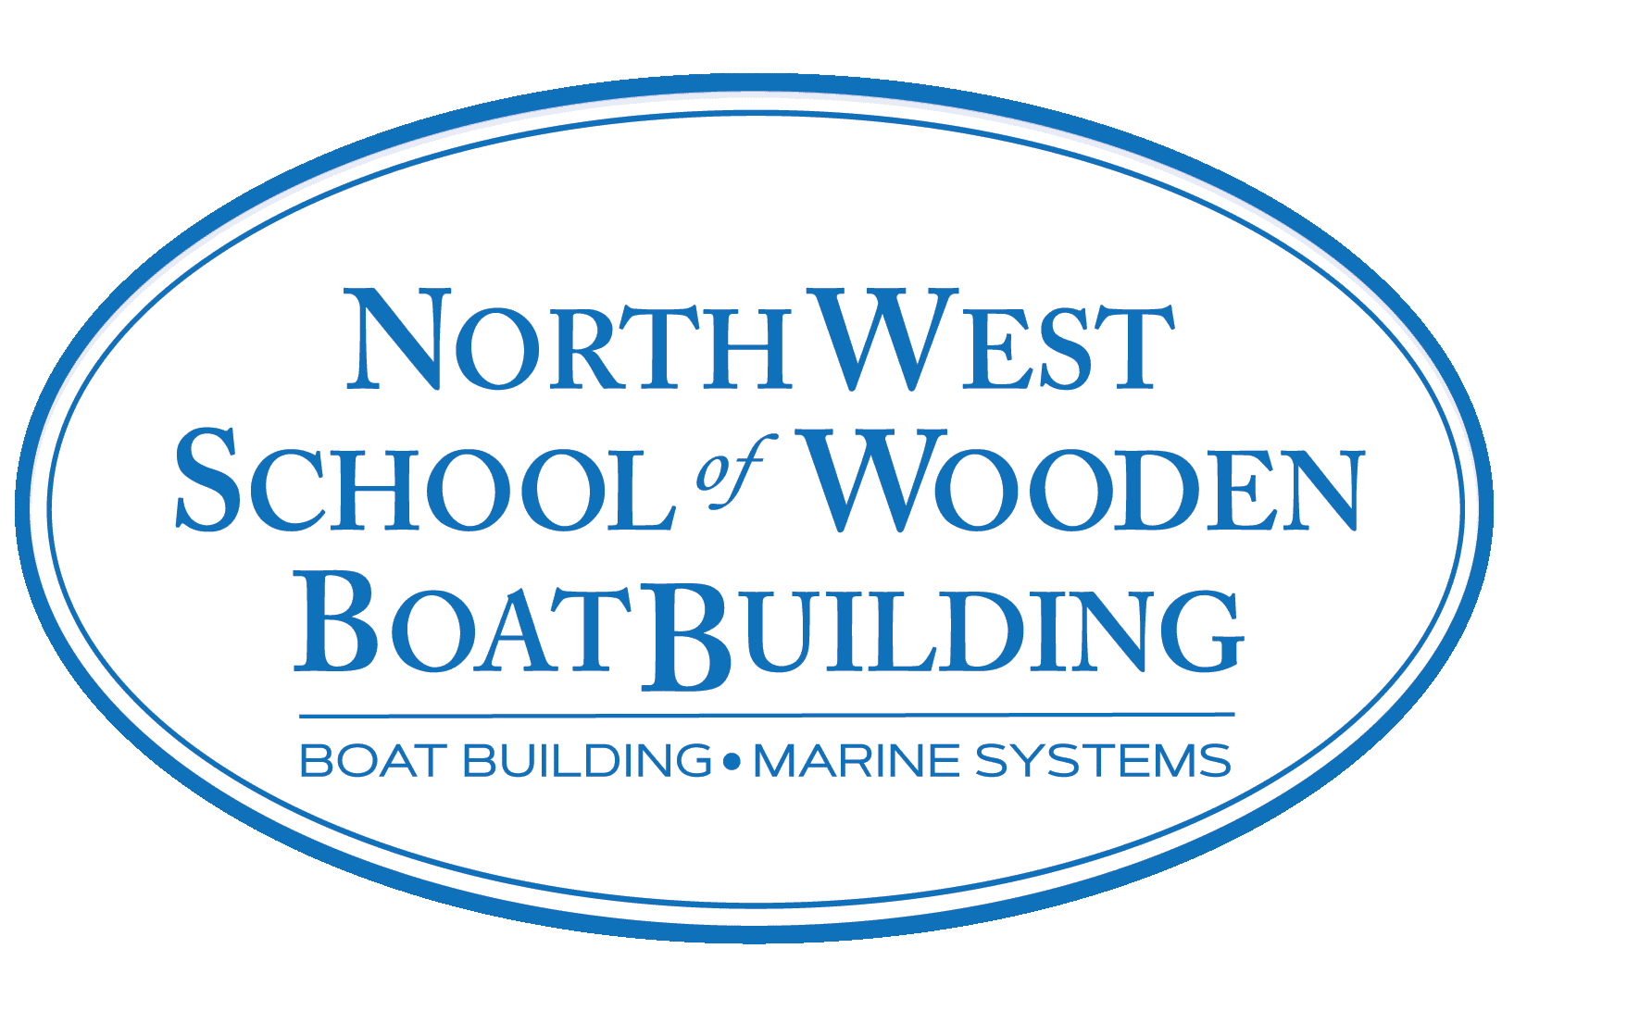
2021-2022 Classic Woodworking
 |  | NAME:
 |  | EMAIL:
 |  | PHONE:
 |  | CC#:
 |  |  | EXP: CVV:
The Northwest School of Wooden Boat Building requires the following tools for each student for this course. Edensaw Woods has partnered with NWSWB to provide these tools at special student pricing. Once filled out, please submit this form to Andy Wasserstrom at Edensaw Woods. Upon receipt of this completed form, your tools will be set aside for the school's Pre-Order Pick-Up Day. (September 29th, 1-4pm) Due to the ongoing pandemic, supply chains are interrupted. Due to mass shortages, we recommend you buy your tools early & consider alternate tools. Price & availability are subject to change. For questions about this, contact Edensaw. Direct all other tool questions to NWSWB Chief Instructor, Sean Koomen, sean@nwswb.edu.
Qty | Part # | Size | Description | Unit Price | Line Total
 | JW150873 | Limited Stock | Wood River #3 Smoothing Plane | $169.00 | $0.00
 | LIE6012RN |  | Lie-Nielsen 60 1/2 Rabbet Block Plane w/ Nicker | $175.00 | $0.00
 | 580-1000 | Flat | Kunz #151 Flat Spokeshave | $35.00 | $0.00
 | JW151268 | 1/4" through 1" | Wood River 6 pc. Boxed Chisel Set | $95.00 | $0.00
 | 20542 | #800/#4000 | Combination Waterstone | $30.00 | $0.00
 | WETDRYSET | 2ea 100,220,600G | Klingspor Wet/Dry Abrasive Sheet Set | $7.50 | $0.00
 | 65276 | 250mm 19tpi | Japanese Crosscut saw w/ handle | $32.00 | $0.00
 | 65607 | 250mm 25tpi | Japanese Dozuki Dovetail saw w/ handle | $40.00 | $0.00
 | JW156725 | 240mm 10tpi | Japanese Rip Z saw w/ handle | $43.00 | $0.00
 | 520-5090 | Round | Two Cherries Burnishing Tool | $20.00 | $0.00
 | 520-5750 | Flat/Rectangular | Two Cherries Scraper | $15.75 | $0.00
 | 21842N | 12" | Nicholson Single Cut Mill File | $15.49 | $0.00
 | 16OZHAMMER | 16 oz x 13" | Wood Handle Claw Hammer | $13.00 | $0.00
 | STANLEY28540 | 1 1/4" | Stanley Putty Knife | $6.50 | $0.00
 | STANLEY69122 | 6 1/16" | Stanley Wood Scratch Awl | $7.00 | $0.00
 | STANLEY33425 | 25' | Stanley Tape Measure | $12.65 | $0.00
 | STANLEY10079 |  | Stanley Utility Knife | $7.00 | $0.00
 | PICQUIC88911 |  | Picquic SixPak Plus / Stubby Set | $20.00 | $0.00
 | PICQUIC95003 | 15,20,25,27,30,40 | Picquic Torx Drive Set | $9.50 | $0.00
 | PICQUIC95005 | 0,1,2,3 | Picquic Robertson Square Drive Set | $6.50 | $0.00
 | BONDHUS22199 | 22pc | Imperial/Metric Hex Drive L-Wrench Set | $22.00 | $0.00
 | FU10393008 |  | Fuller #8 Countersink/Taper Bit Set | $100.00 | $0.00
 | FUN15195021 | 1/16" through 3/8" | Fuller 21pc. Regular Point Drill Bit Index | $80.00 | $0.00
 | BAGOBITS | 9pc Insert Bit Kit | 2 +; 1,2,3 Sq; 8/10, 10/12, 12/14 Slot; 2,3 Frearson | $17.00 | $0.00
 | JW06L21 | 6" | Starrett C11-6-4R Combination Square | $95.00 | $0.00
 | PMX32206 | w/lanyard | PMXtreme Clear Anti-Fog Safety Glasses | $9.00 | $0.00
 | 1493 | NRR25 | QB2HYG Quiet Band Hearing Protectors | $8.75 | $0.00
 | 3M6600 S-M-L | choose: S/M/L | 3M Half-Faceplate Respirator | $18.25 | $0.00
 | 3M6610 |  | 3M Organic Vapor Cartridge | $16.50 | $0.00
 | 3M8210Plus2pk |  | 3M 8210-Plus Yellow Strap Dust Mask (2-pack) | $3.50 | $0.00
 | GLOVE66516 GLOVE66517 GLOVE66518 GLOVE66519 | choose: S/M/L/XL | Disposable Black Nitrile Latex-free Gloves, 100 ct. | $29.00 | $0.00
 | CORD02407 | 14/3 x 25' | SjTW Vinyl Extension Cord | $18.49 | $0.00
 | XFD10SY | 1.5 Ah 18V Li | Makita Compact Cordless Drill Kit | $169.00 | $0.00
 |  |  | ALTERNATIVE
 | LIE605 |  | Lie-Nielsen Low Angle Block Plane | $165.00 | $0.00
 | WERA5133180 | 9pc. | Wera Imperial Ball-End Hex L-Wrench Set | $17.50 | $0.00
 | WERA5073596 | 9pc. | Wera Metric Ball-End Hex L-Wrench Set | $17.50 | $0.00
 | 48737 | NRR29db | Vibe 29 Hearing Protection Low Profile | $29.99 | $0.00
 | 500-1562 | 6pc. | Two Cherries Bevel-Edge Chisels (w/o box) | $170.00 | $0.00
 |  |  | OPTIONAL
 | JW150874 | Limited Stock | Wood River #4 Bench Plane | $199.00 | $0.00
 | TWEEZERSTSE24 |  | Miracle Point Tweezer | $2.75 | $0.00
 | 900-1040 | 6" | Stainless Rule | $5.00 | $0.00
 | 65573 | 150mm 18tpi | Japanese Mini Dozuki Panel Saw | $29.00 | $0.00
 | 500-1375 | 250mm | Two Cherries Curved Draw Knife | $100.00 | $0.00
 | 500-1320 | 225mm | Two Cherries Straight Draw Knife | $70.00 | $0.00
 | 110-1150 | 1 1/2" | Hock PL150 Plane Iron and Chipper | $49.00 | $0.00
 | JW09L11 |  | Canvas Chisel Roll | $38.00 | $0.00
 | 47522 |  | Nagura Stone - Artificial | $12.99 | $0.00
 | DMT-W8ECNB | XFine/Coarse | DMT DuoSharp Bench Stone | $95.00 | $0.00
 | 650-1167 | 36" | Robert Larson Folding Rule | $19.50 | $0.00
 | 850-1015 | 150mm | Robert Larson Dividers | $27.00 | $0.00
Please submit form to andy@edensaw.com. If you have any questions, please call Andy at 360-344-0213 (Tue-Sat) or send an email. All deliveries to the school must be pre-paid. Thank you! These tools constitute your basic needs for the Traditional Wooden Boatbuilding program at NWSWB. Due to shortages and supply issues, it is recommended you buy your tools as soon as feasible. Edensaw will place pre-paid orders aside for students who are distant or otherwise unable to purchase tools locally and in a timely manner. In lieu of that, some substitutions may need to be made. If you are unsure that a specific substitution will fulfill the role of the original, refer to teaching staff at NWSWB. Edensaw has made great efforts to secure tools for this year’s students, though shortages are still likely to occur. |  |  |  | Subtotal | $0.00
 |  |  |  | Sales Tax 9.1% | $0.000
 |  |  |  | Total | $0.00

